Activities
Virtually Boccia - Round 1

Activity 1 | "Hopscotch" | Activity 2 | "Darts" | Activity 3 | "Narrowing Cone Ally" | Activity 4 | "Tripod"
Set up - Instructions |  | Set up - Instructions |  | Set up - Instructions |  | Set up - Instructions
• This activity is designed to test pace control and accuracy. • Set up a hopscotch grid (as displayed below) with A4 paper. The first number around 1m from your throwing position. • Using 6 balls, the aim is to get your ball to stop on one of the numbered pieces of paper • Your score will correspond to the number on the target • You can have a Maximum of 1 ball per target. • A second ball on a target will score 0, a ball not on a target will score 0. • Maximum possible score for this game is – 45 points |  | • This activity is designed to challenge your ability to control pace. • Set up a target of 3 hoops (as displayed below), with the edge of the outer hoop 2m away. • Using 6 balls, how many points can you score? • The inner circle is worth 20 points, the middle circle is worth 10 points and the outer circle is worth 5 points. • The maximum score for this challenge is 120 points |  | • Your ability to control line and pace will be tested through this activity. • Place 2 cones 2m away from the throwing position and 2m apart from each other. Then 1m further on, place 2 more cones at 1.5m apart from each other. 1m further on, place 2 cones 1m apart from each other. 1m further on, place 2 cones 50cm apart. Finally, at 1m from the final cones place a throwdown spot. (See picture below) • Using 6 balls, aim to stop the ball in a zone or on the spot at the end. • If you stop in the: o First zone = 5 points, Middle zone = 10 points, End zone = 15 points, Spot = 20 points • The maximum score for this challenge is 120 points |  | • This challenge will test your ability to change pace • Sitting in a central position, place a target 1.5m, 2m, and 3m away in different directions (as displayed below) • You have 6 balls for this activity, 2 balls per target. Start at the 1.5m target and play 1 ball, your second ball is played to the 2m target and the third to the 3m target. Repeat for your final 3 balls. • The 1.5m target is worth 5 points, 2m target = 10 points and the 3m target = 15 points • The maximum score for this activity is 60 points
Set up - Image |  | Set up - Image |  | Set up - Image |  | Set up - Image
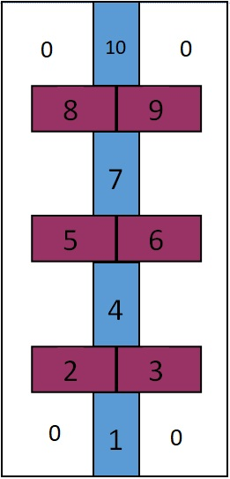 |  | 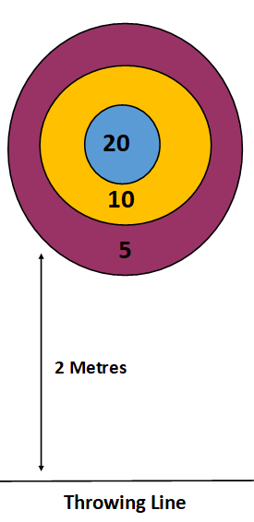 |  | 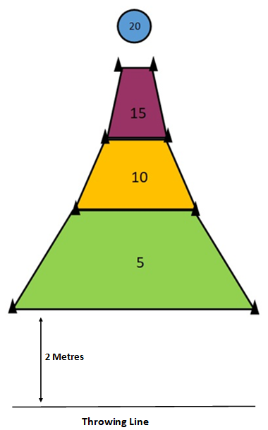 |  | 